Endow Import
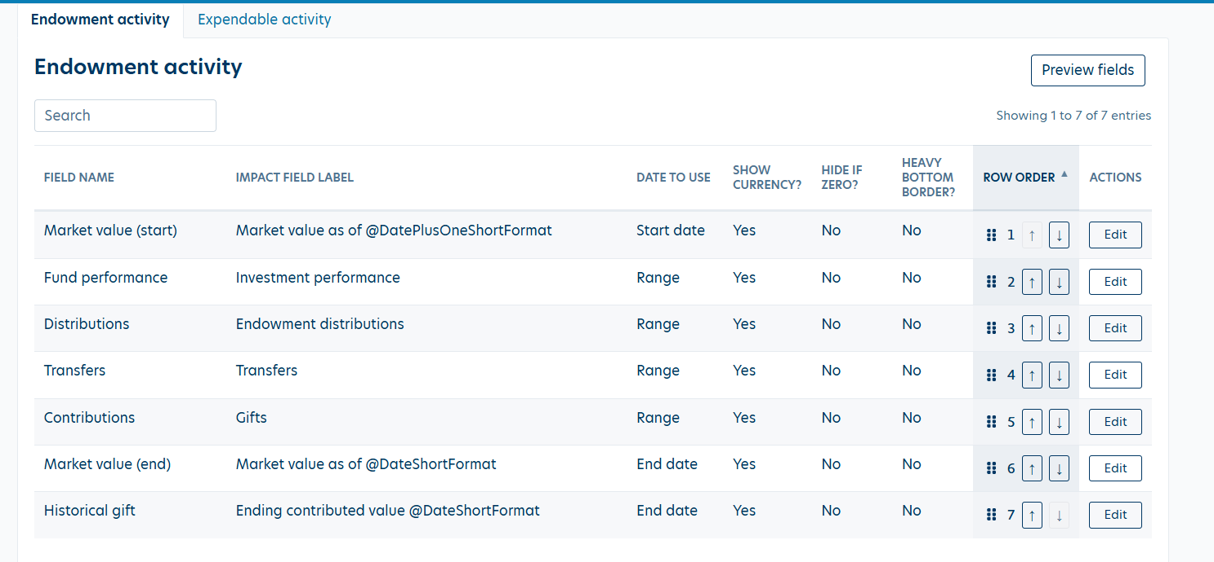
Reporting Period | Fund ID | Fund Name | Beginning Market Value | Ending Market Value | Fund Performance | Distributions | Transfers | Contributions | Ending Historical Gift | Reconcile Check | Purpose Description | Inception Date | Net Asset Classification
7/1/2025- 6/30/2026 | 10000 |  | 10,000.00 | 13,675.00 | 6,675.00 | 4,000.00 |  | 1,000.00 |  | -

Expendable Fund
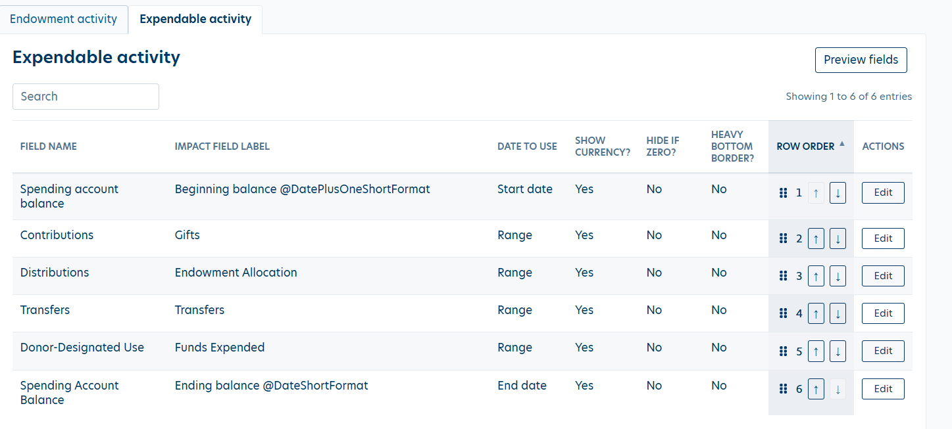
Reporting Period | Fund ID | Fund Name | Beginning Spending Account Balance | Ending Spending Account Balance | Contributions | Distributions | Transfers | Donor-Designated Use | Endow Fund ID | Reconcile Check | Purpose Description | Inception Date | Net Asset Classification
7/1/2025- 6/30/2026 | 10000-E |  | 1,000.00 | 1,000.00 | 1,000.00 | 4,000.00 |  | 5,000.00 | 10000 | -

